Task 1
Task | Description
1 | Implement the application logic

For the assignment two I have implemented a knowledge Test App. With this app any one can include as many as questions in the SQL lite database. In the database there are two tables one with difficuty level like - Easy, Medium and Hard as well as types of category. And other one which will hold the Questions. User can choose level of difficulty and can start with Knowledge Test. User an see the level of score and that score can be store in the system. Next time when user start the application user can see his/her last highest score. Even the user can change the orientation of the device and the result or other information will not be change . User can gesture fling with the finger. When the app is running user can see the Background task notification as well as running background task.

Task 2
Task | Description
2 | Use radio or toggle buttons & process their events
Here user can choose the level of difficulty for the knowledge test. There will be three choice to choose. Once the user select and press the confirm button then it will tigger the score, No of Question then usre have press finish to go the next question.
Screen | 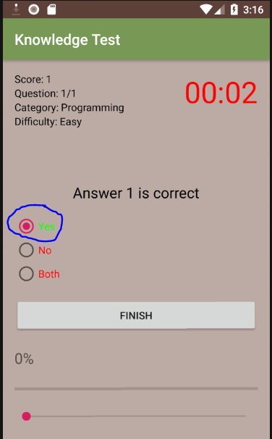

Code 1 | 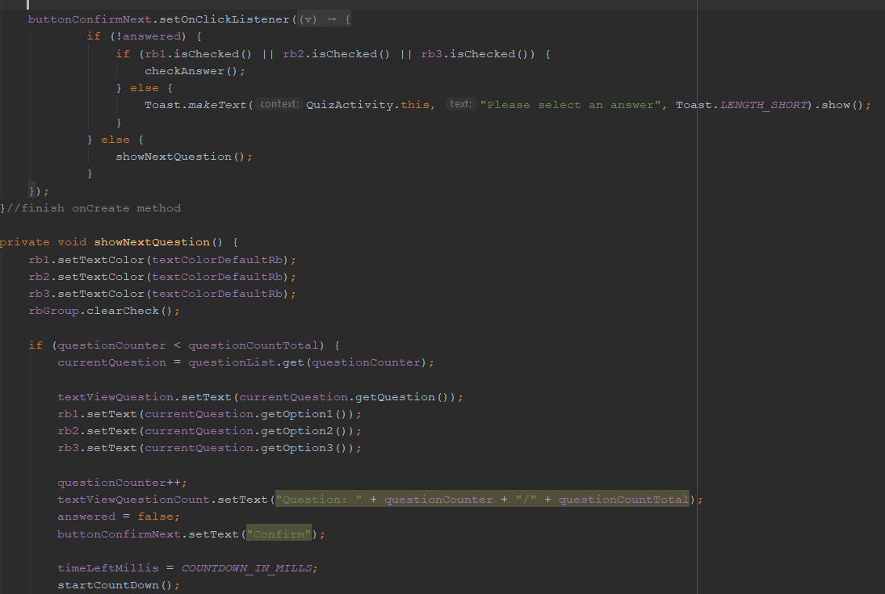
Code 2 | 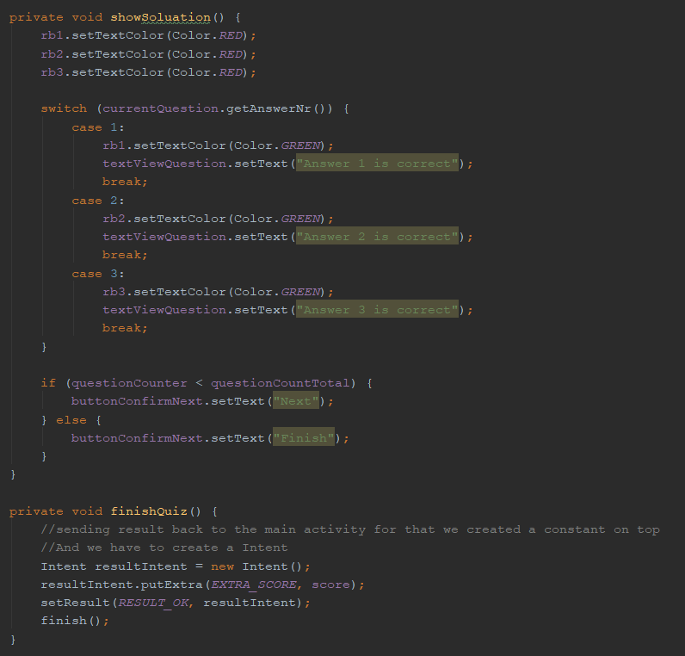
Code 3 | 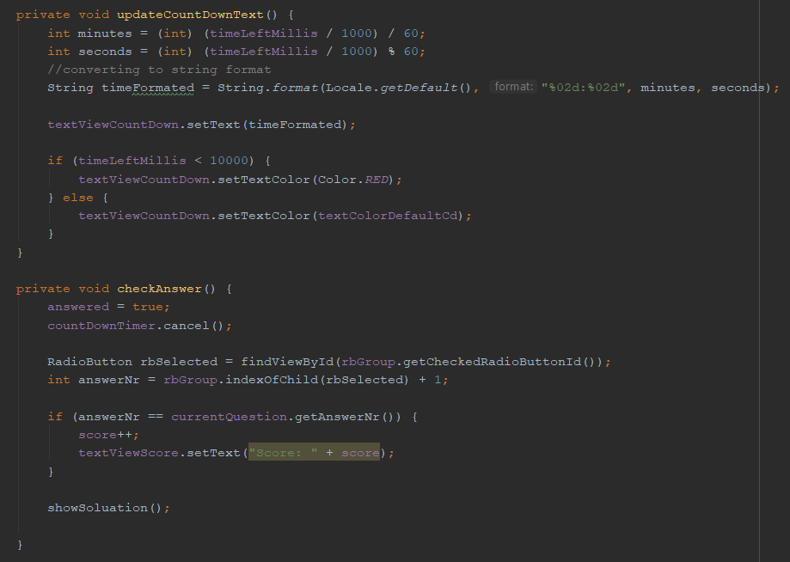

 | Add more app or code screen shots if you need to.

Task 3
Task | Description
3 | List or spinner & process it's events
Here I have highlited the spinner with blue color. There are two spinner one for he level of difficulty and other one is setection of subject area.
Screen | 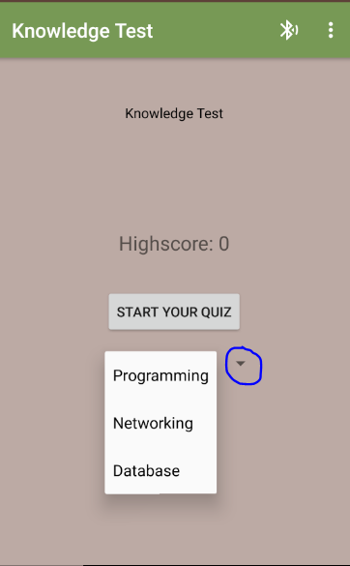 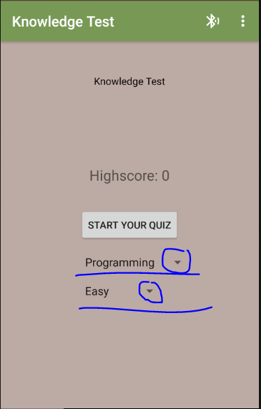
 | Spinner xml code
Code 1 | 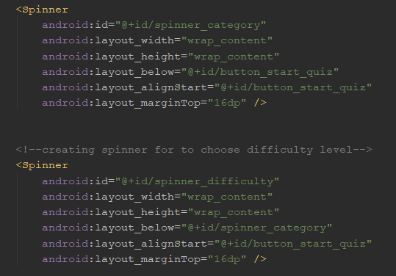
Code 2
Code 3 | example code screen shot 3 (if needed)

 | Add more app or code screen shots if you need to.

Task 4
Task | Description
4 | A seekbar and events so the application reacts to changes in the seekbar position
Here I have attached screen shot of the seek bar also the progress of the seek bar
Screen | 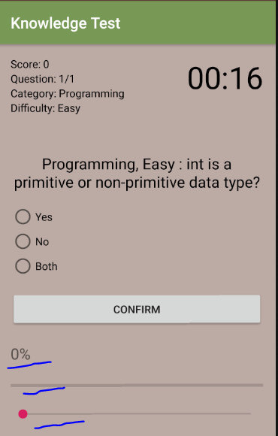 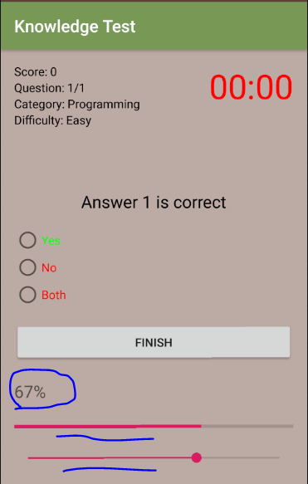
 | Seek bar and progress bar xml code
Code 1 | 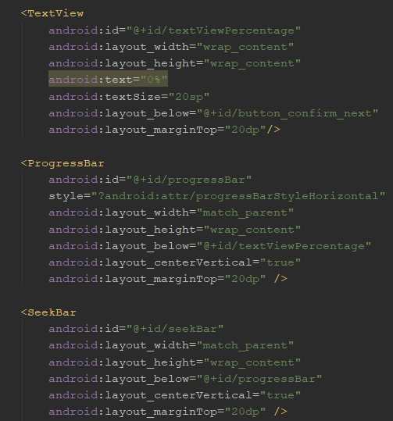
Code 2 | 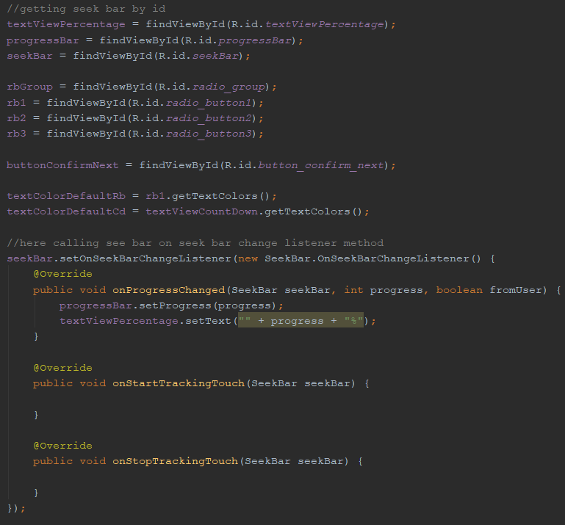
Code 3 | example code screen shot 3 (if needed)

 | Add more app or code screen shots if you need to.

Task 5
Task | Description
5 | Gestures: a fling to move between Activities, gestures with your own library to perform some funtionality.
From this screen user can do gesture with finger user can go one page to another page without pressing the button. To see the gesture and fling I have to show on demo that is working in the device.
Screen | 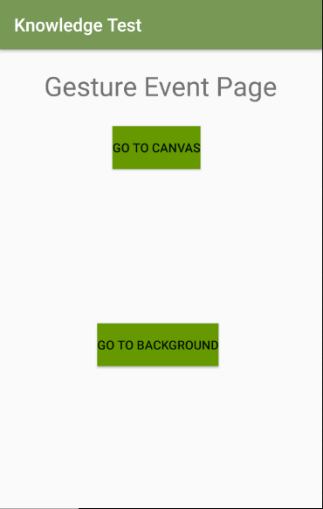
Gesture code screenshot
Code 1 | 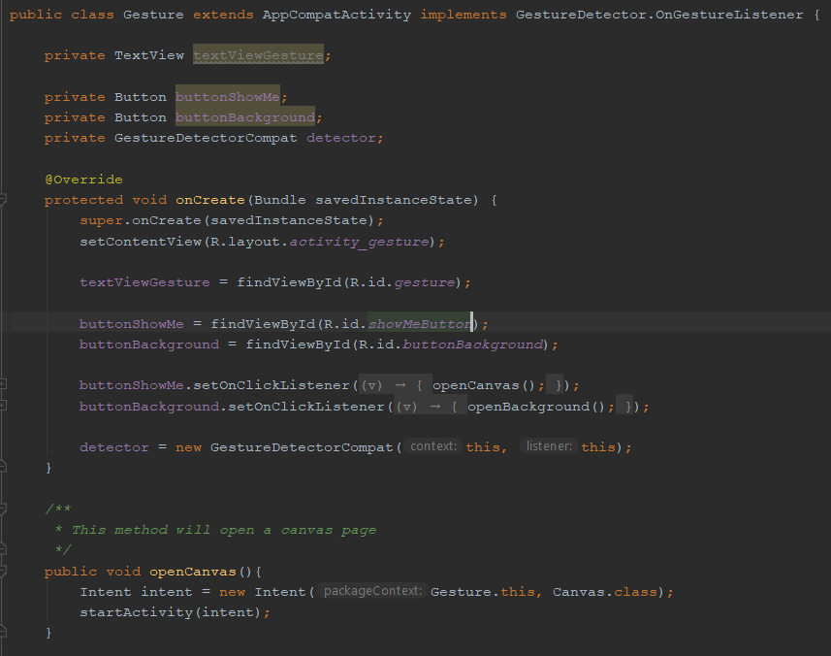
Code 2 | 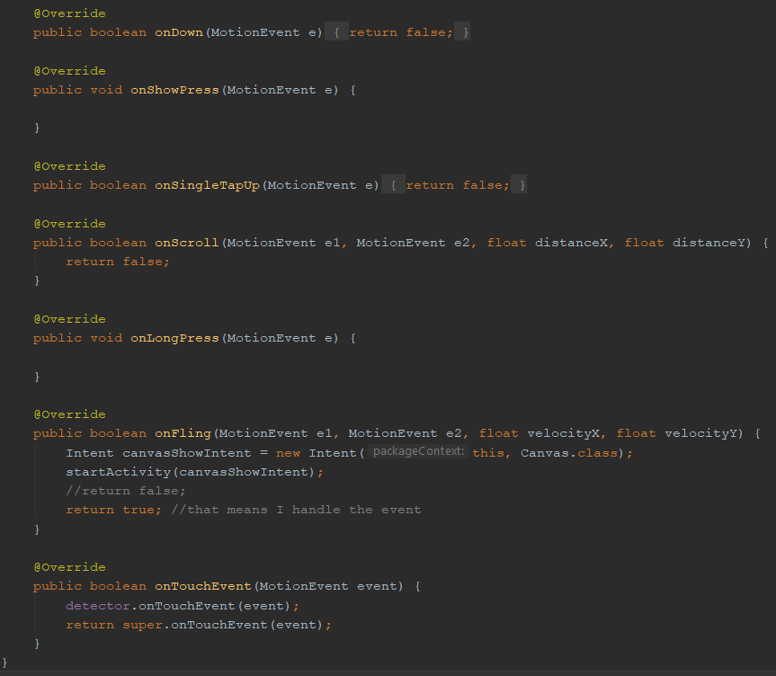
Code 3 | example code screen shot 3 (if needed)

 | Add more app or code screen shots if you need to.

Task 6
Task | Description
6 | Use Menus & Context Menu
Here I have crated menu and context menu on top right coner also there is a sub menu. This menu item is working if user press it will take to the different page
Screen | 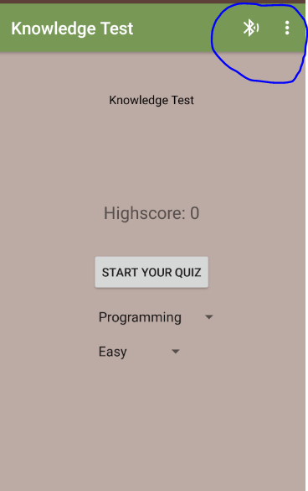 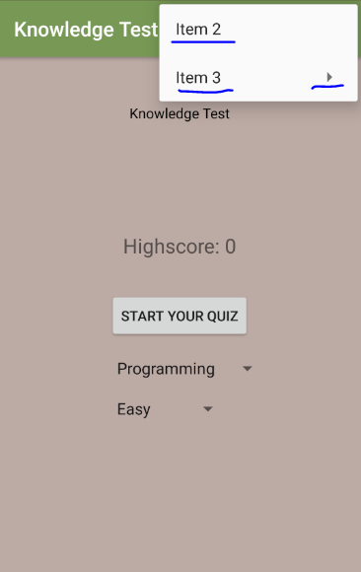

Code 1 | 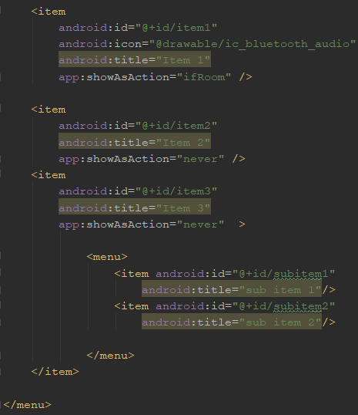
Code 2
Code 3 | 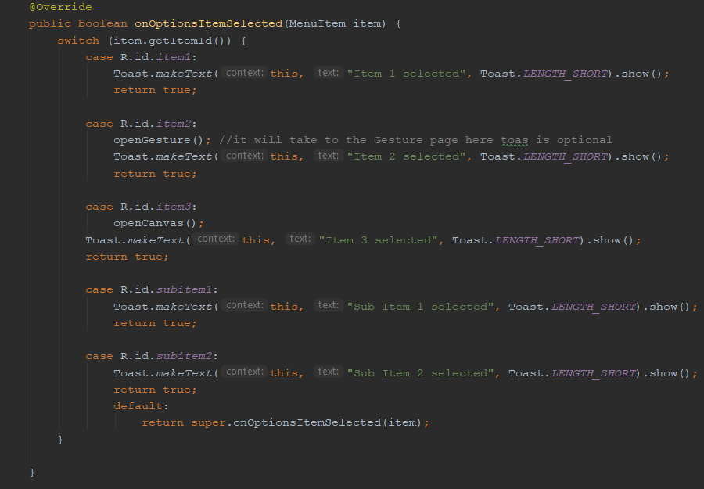

 | Add more app or code screen shots if you need to.

Task 7
Task | Description
7 | Draw a graphic using the Canvas, Paint and colour classes
Here I have created a canvas and its backgrounf is red color and draw a rectangle and its color is blue
Screen | 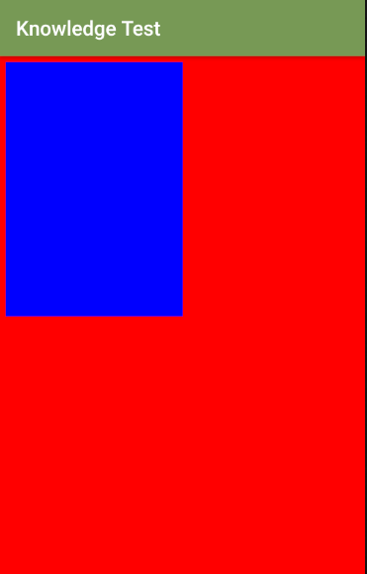

Code 1 | 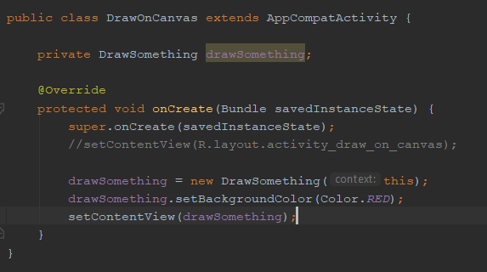
Code 2 | 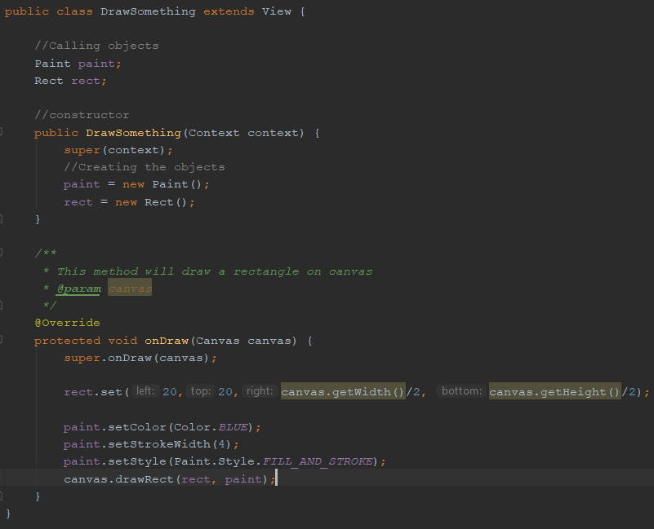
Code 3 | example code screen shot 3 (if needed)

 | Add more app or code screen shots if you need to.

Task 8
Task | Description
8 | Advanced feature: Implement a background service including notification to the user from a such a service.
here user can see the background task is running also user can stop the service. On top of the screen user can see the notifiation about the service. If user slide down from top user can see the details of notifiation. if user press on the notification then background servcie will be open. Another option I did with the background service it can start the default ringtone and user has the option he/she can stop the service.
Screen | 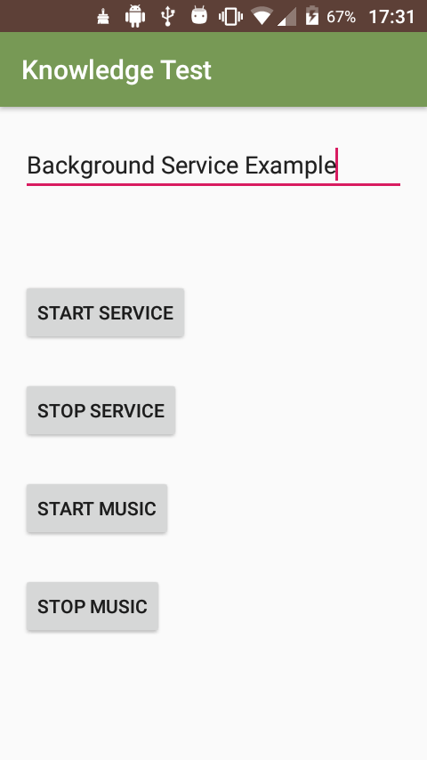 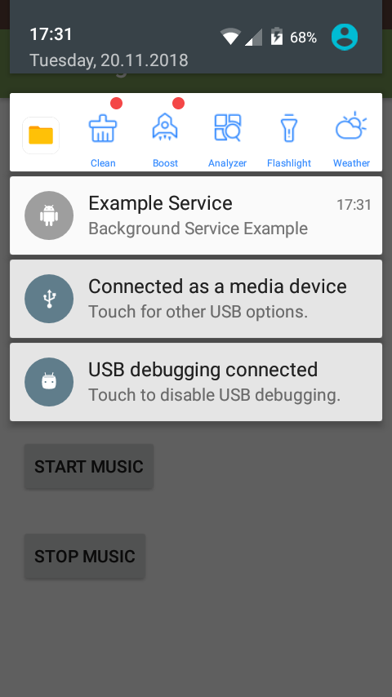 | 0
 | Here user can see in the system that service is running.
Screen | 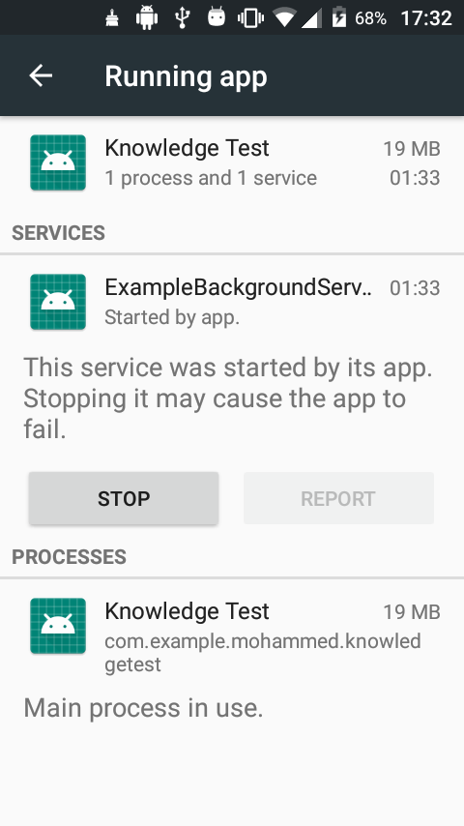
Code1 | 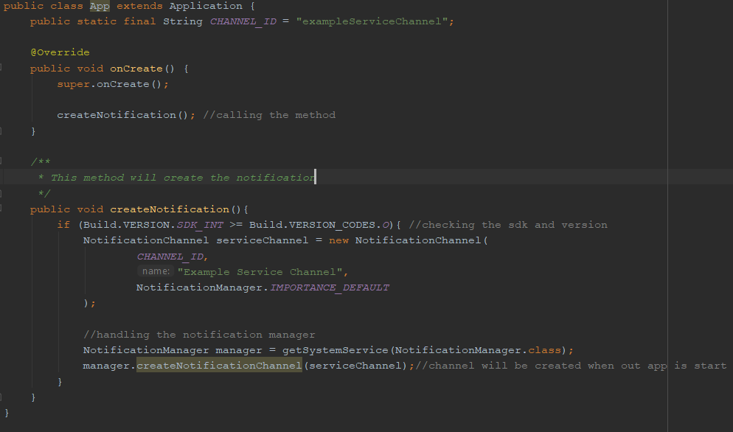
Code 2 | 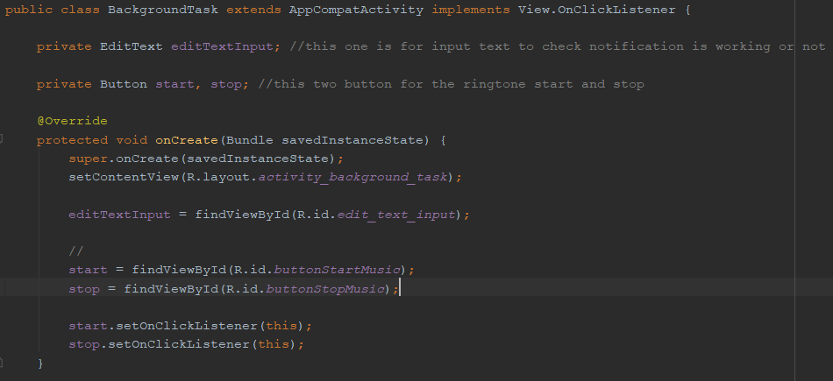

Code 3 | 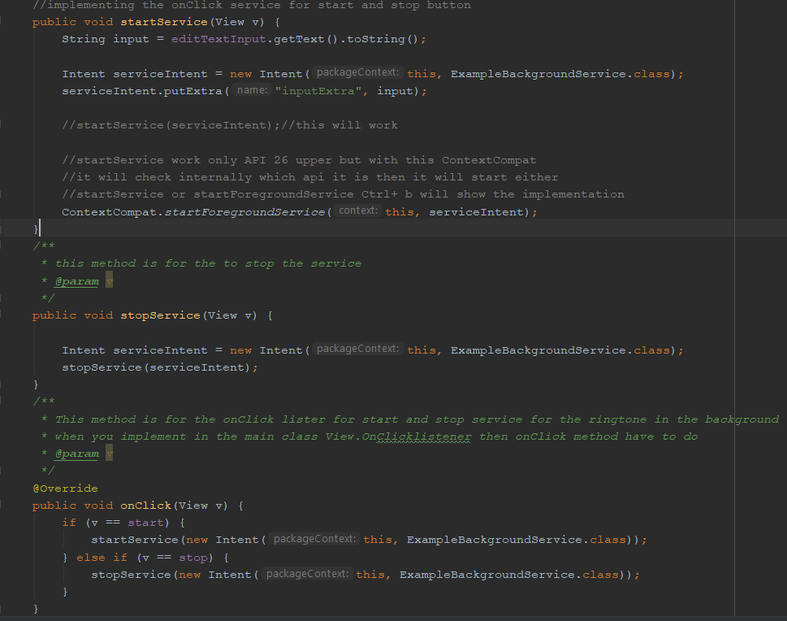

Code 4 | 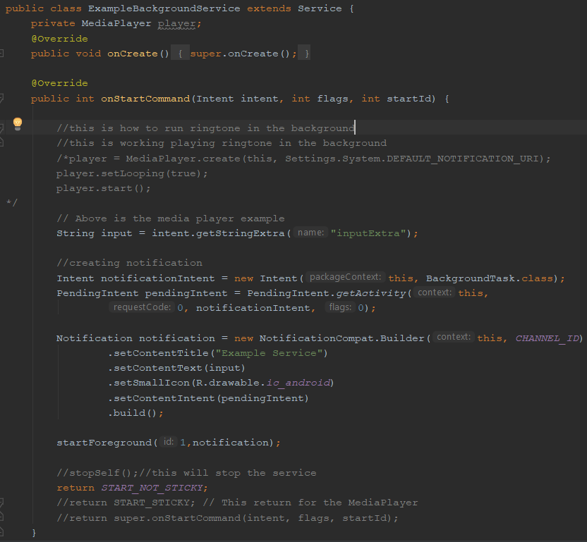

Code 5 | 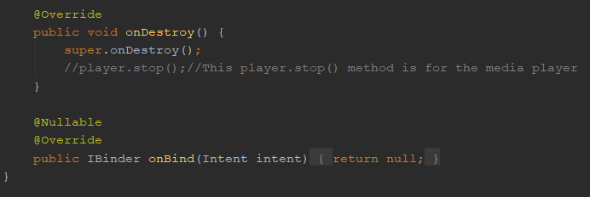

Task 9
Task | Description
9 | An advanced feature of your own choosing
For this app I have implemented SQL lite database as an advance feature. Also shared preference as an advanced feature. I have attached data base screenshot.
Screen | 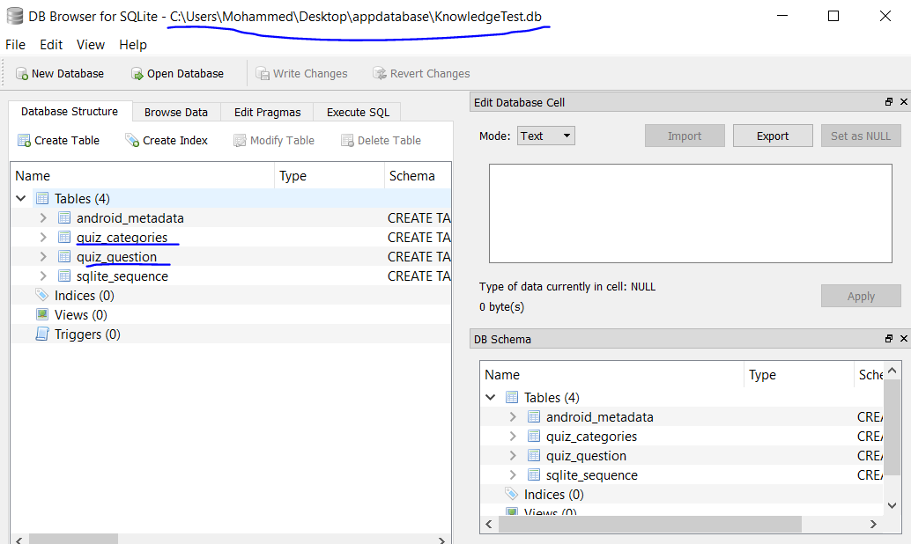

Screen | 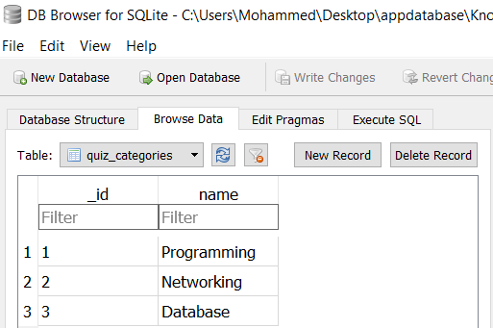
Screen | 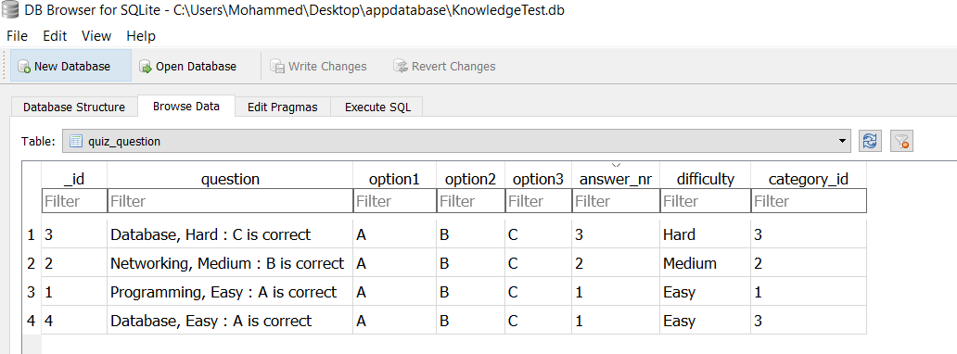
Code 1 | 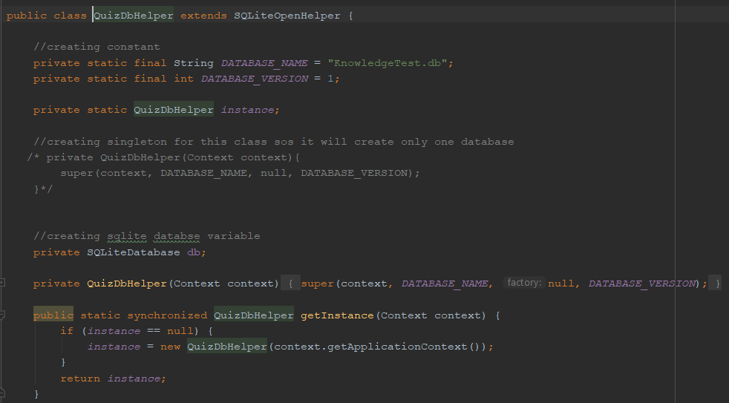

Code 2 | 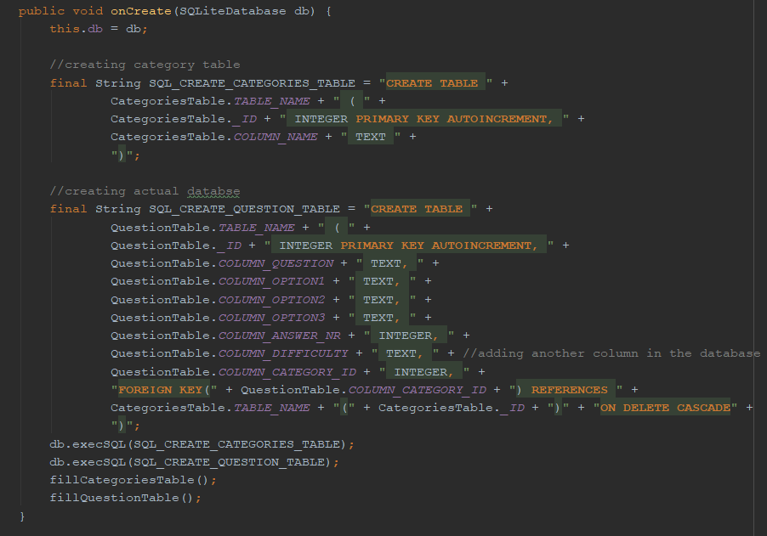

Code 3 | 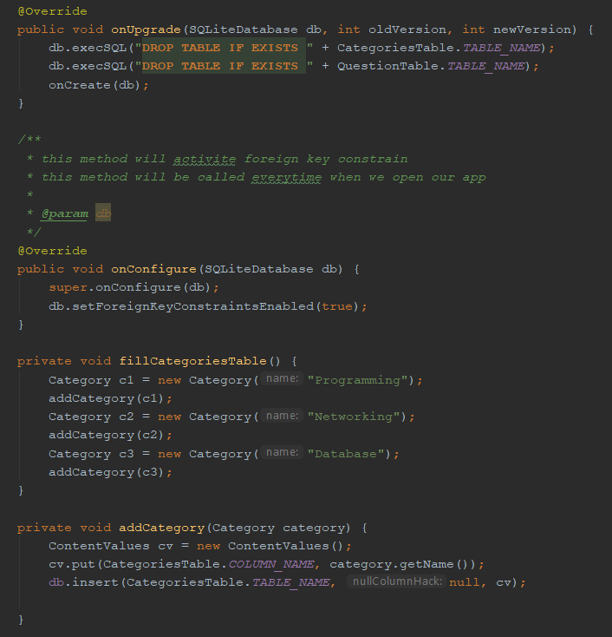

Code 4 | 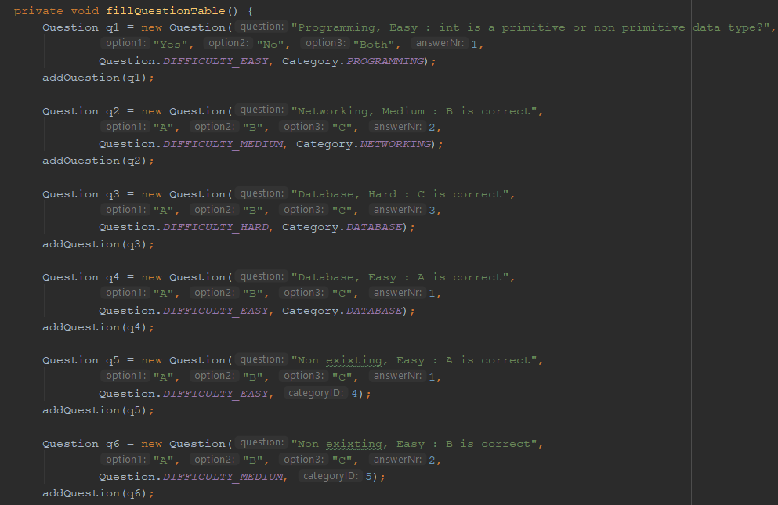

Code 5 | 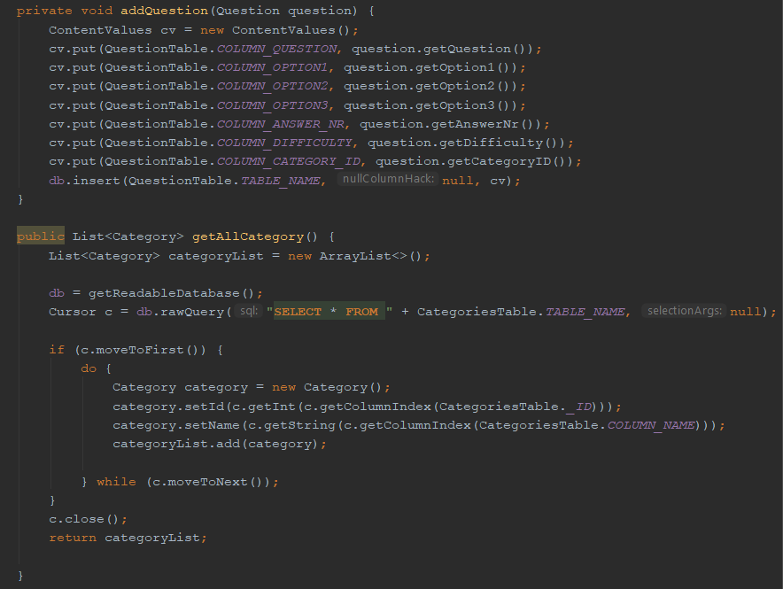

Code 6 | 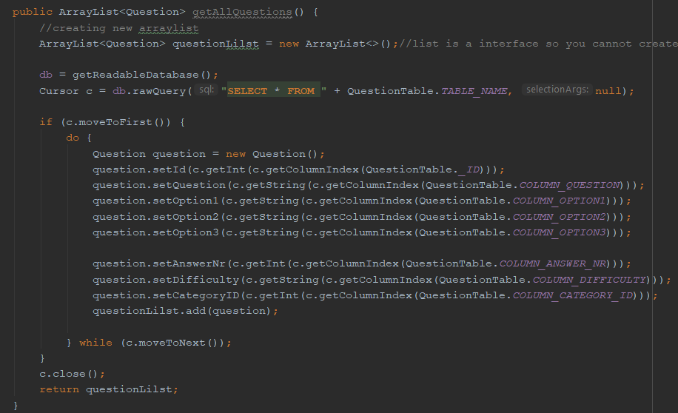

Code 7 | 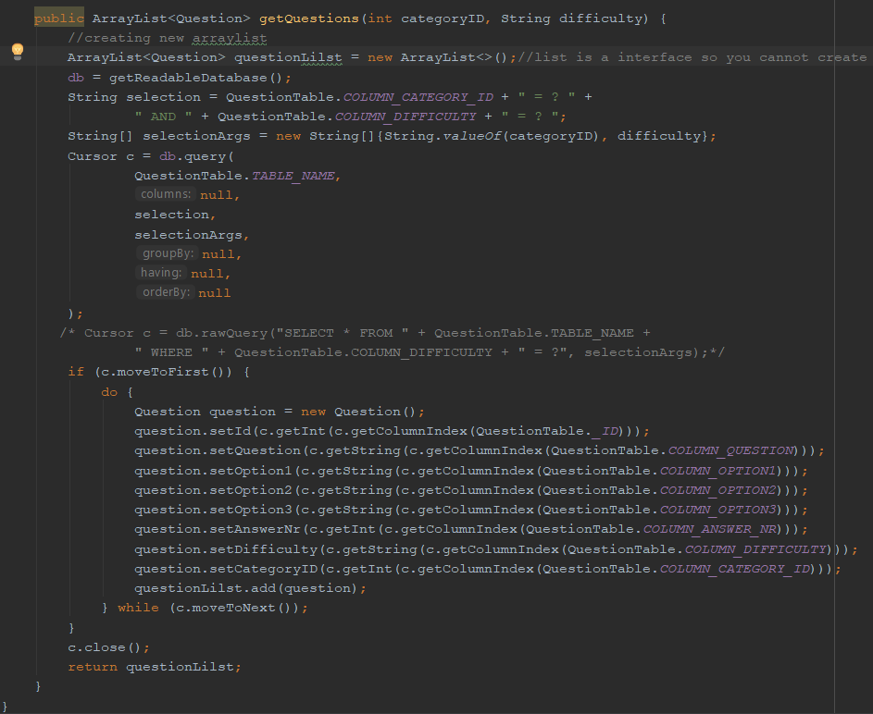

Task 10
 | Documentation

Task | Description
10 | Using a coding standard e.g. Commented code, private variables, automatic variables, use extra classes where appropriate etc. (pick only one source file to show comments etc.). List of Class files and what they do. Evaluation - how did it work out for you, what mistakes did you make, what did you learn.

 | Which source file did you select to demonstrate a codeing standard on: directory/name.java
I have selected the ManinActivity.class file to demonstrate the codeing standard.
Code 1 | 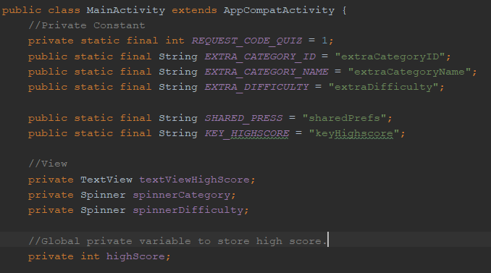

Code 2 | 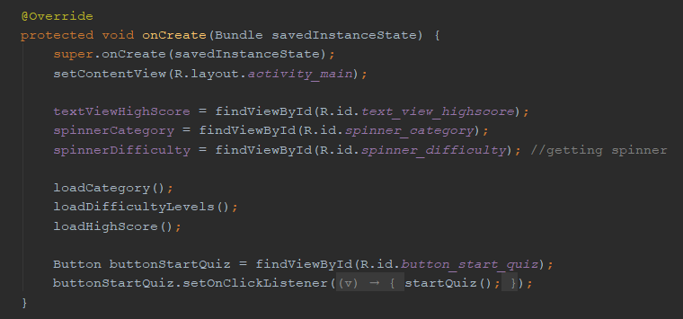 | Class name
 |  | <example.java>
Code 3 | 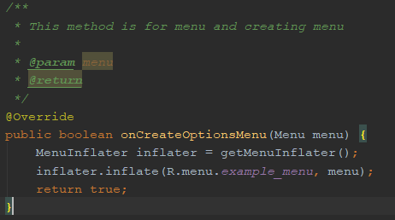 | #2
 |  | #3
Code 4 | 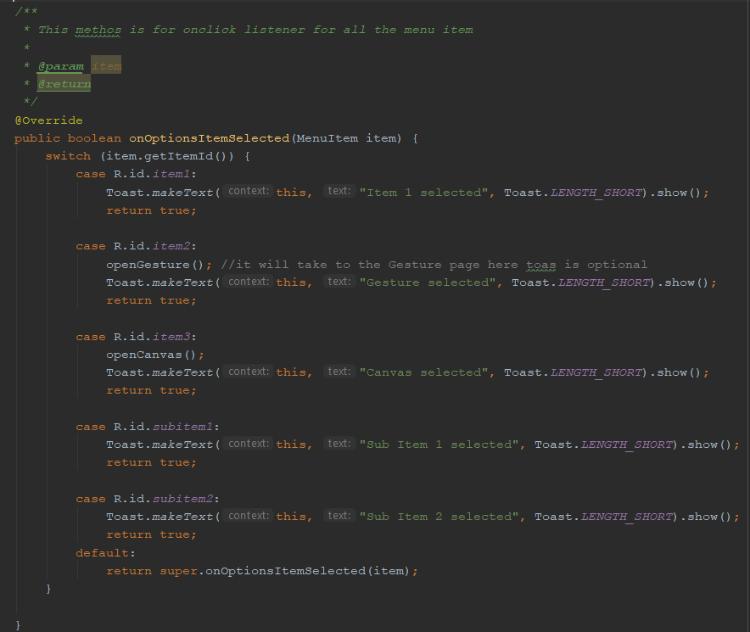 | etc

Code 5 | 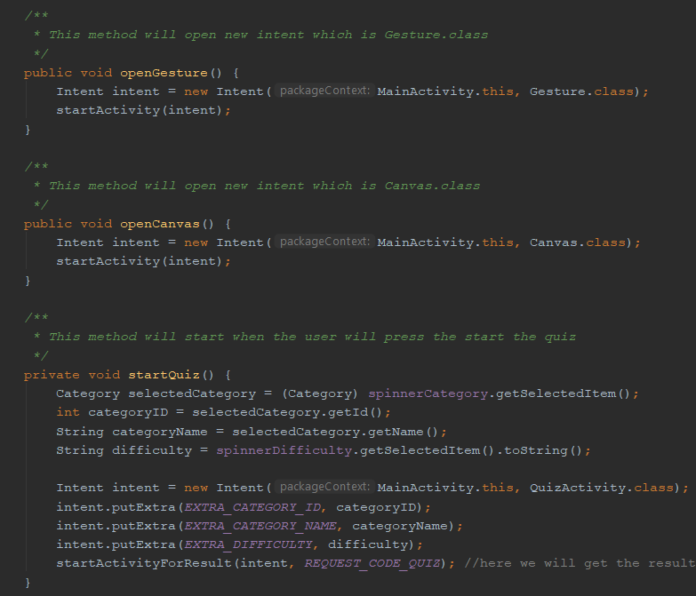

Code 6 | 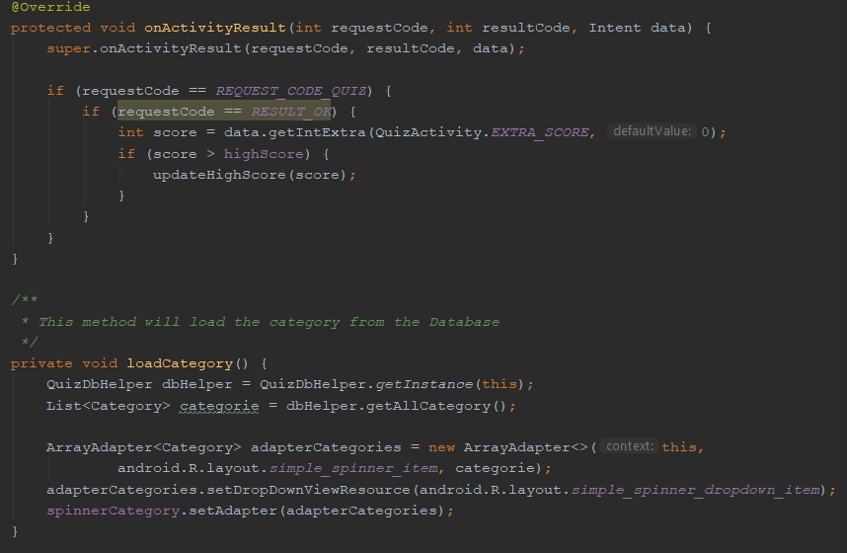

Code 7 | 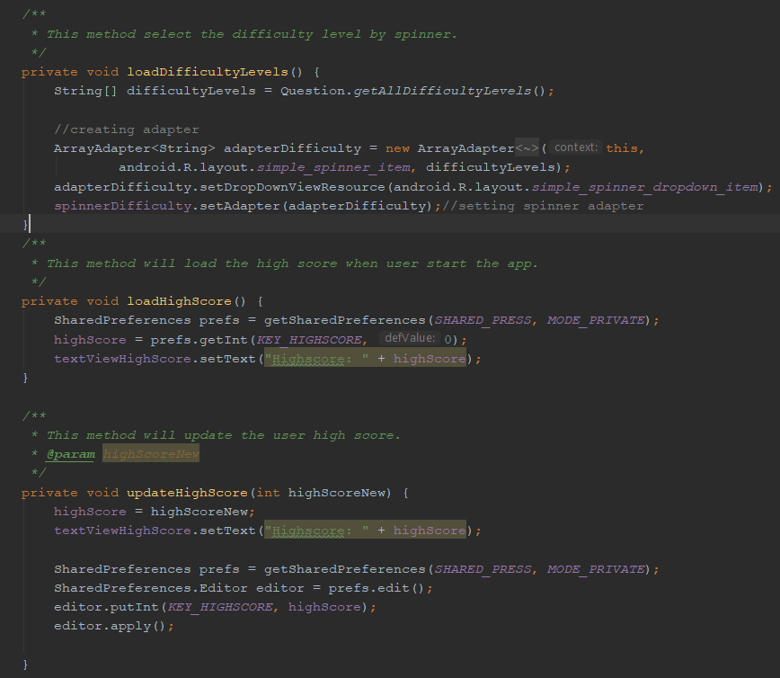

This class is for to create the notification channel for background task.
This class is responsible to start and stop the background service.
Classes | List of Classes - One line description
App.class
BackgroundTask.class
On this class gesture method implemented. User can fling the screen.
Canvas.class
On this class database category model was implemented
Category.class
This class rectangle was created on the canvas.
DrawSomething.class
On this class DrawSomething class object was called for to create the rectange.
DrawOnCanvas.class
This class how the backgroun task will start and notification will appear on the device.
ExampleBackgroundService
On this class gesture was implemented
Gesture.class
On the MainActivity class Knowledge Test app will start. Menuwas implemented on this class. Radio button option updated. From this call Gesture and Canvas page can go user. Also start the quiz was implemented. as well as load category, quiz score , quiz difficulty level, update score was implemented.
MainActivity.class
This class is for to create Question in the database.
Question.class
This class is for responsible the Quiz operation.
QuizActivity.class
This class is connected with SQL lite to create the Category and Question table.
QuizContract.class
This class is for to create the database in the SQL lite category and QuestionTable for the Quiz.
QuizDbHelper.class

 | Evaluation, what was learned, do differently etc.
- With this app I have learned the SQLite, How to create the table and store the data in the database. And how to fetch the data from the database in the App.
- I have learned how to create the menu and sub menu.
- I have learned how to create the Banckground task and how to stop this task.
- I have learned gesture hoe to fling one screen to go another screen without the pressing the button.
- I have learned the spinner how to implement the spinner.
- I have learned the canvas concept and how to draw something on the canvas.

 | Assigment worked out well etc etc…
This assignment worked out really well for me. It can improve quite lot on different secrtion like implemet thread etc.

